Sources
Source | Description | Details
ArcGIS Online, USA Counties group layer package | 1. This group layer presents the counties of the United States in the 50 states, the District of Columbia, and Puerto Rico. Below 1:3m scale it provides detailed boundaries that are consistent with the tract, block group, and state datasets and are effective at county, regional, and state levels. Above 1:3m scale the county boundaries are generalized to improve draw performance and be used effectively at a national level and have no Puerto Rico data. 2. Both of the detailed and generalized datasets are represented as polygons with over 40 attribute fields from the 2010 Census containing population totals by age and race, along with family and household information.Also included are the current year (2018) population estimate and 2017 Census of Agriculture information | 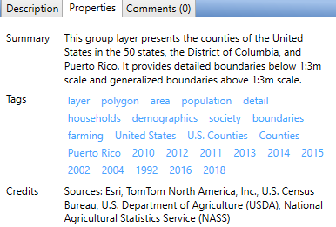 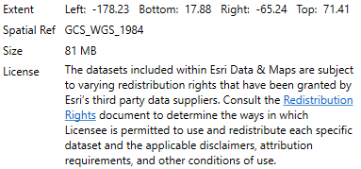
New York Times GitHub site | Covid-19 cumulative cases collected daily, with some gap days. See the GitHub repository for details and disclaimers. | https://github.com/nytimes/covid-19-data

